Foglio1
Product | Quantity | Illustration | Price Range | Link
DC Motor with Encoder and Wheel JGA25-370 DC 6V 12V 24V | 2 | 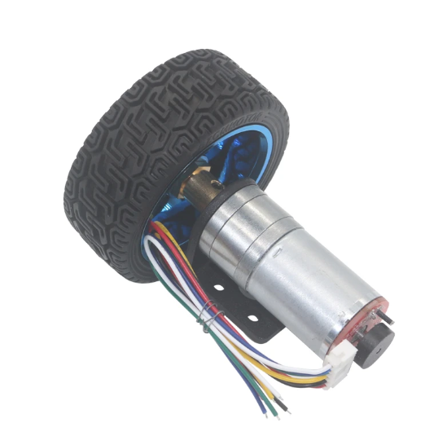 | 15€ - 20€ | Aliexpress Amazon
Caster Wheel 30mm Diameter (1.25'') | 2 | 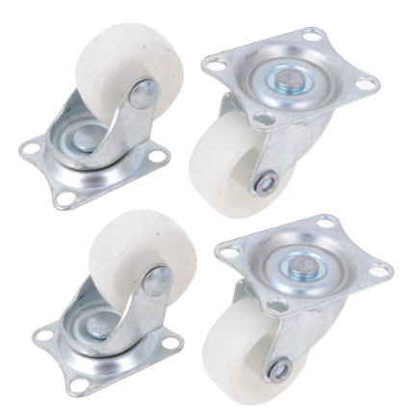 | 2€ - 5€ | Aliexpress Amazon
M3 45mm - brass standoff female to female | 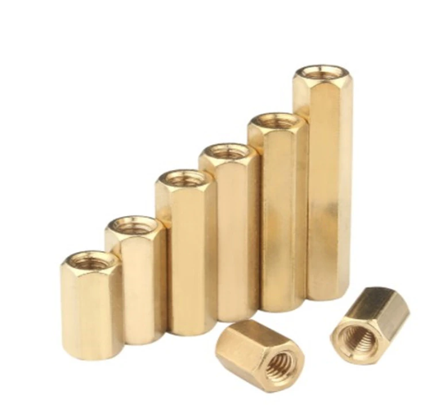 20 |  | 5€ - 10€ | Aliexpress Amazon
M3 7mm - brass standoff female to female | 10 |  | 5€ - 10€ | Aliexpress Amazon
IMU MPU6050 | 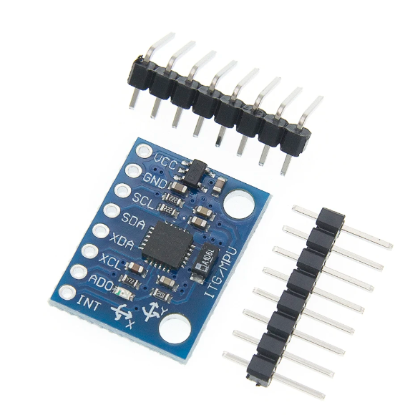 1 |  | 1€ - 2€ | Aliexpress Amazon
DC Motor Controller L298N | 1 | 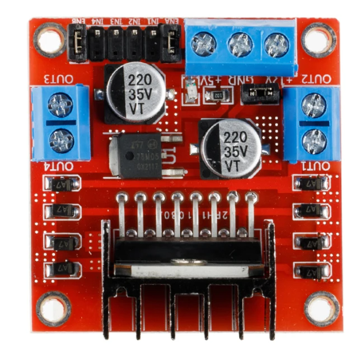 | 3€ - 5€ | Aliexpress Amazon
3-State Switch | 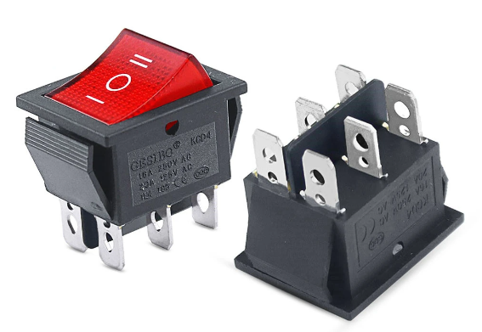 1 |  | 0.5€ - 1€ | Aliexpress Amazon
DC-DC Converter LM2596s | 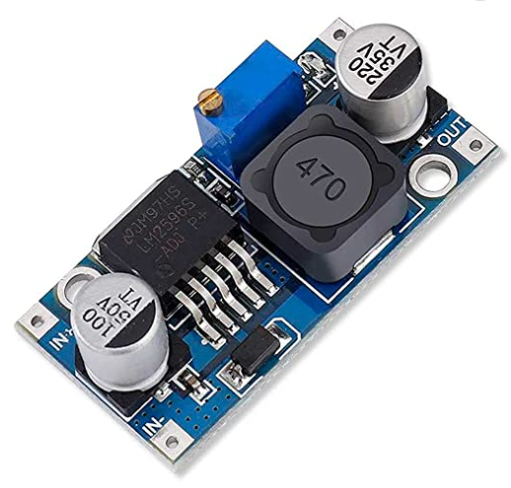 1 |  | 0.5€ - 2€ | Aliexpress Amazon
Arduino Nano | 1 | 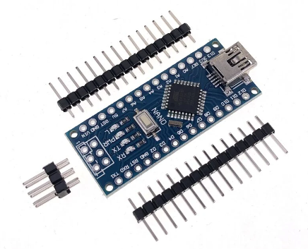 | 5€ - 10€ | Aliexpress Amazon
Raspberry Pi 4 | 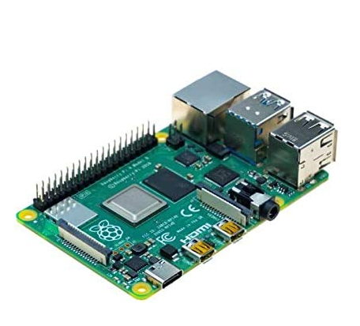 1 |  | 150€ - 200€ | Aliexpress Amazon
Lipo Battery 3S 11,1 V 3300mAh | 1 | 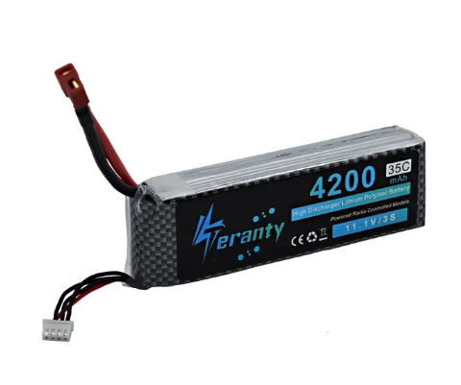 | 10€ - 15€ | Aliexpress
Waffle Front Base Plate | 1 | 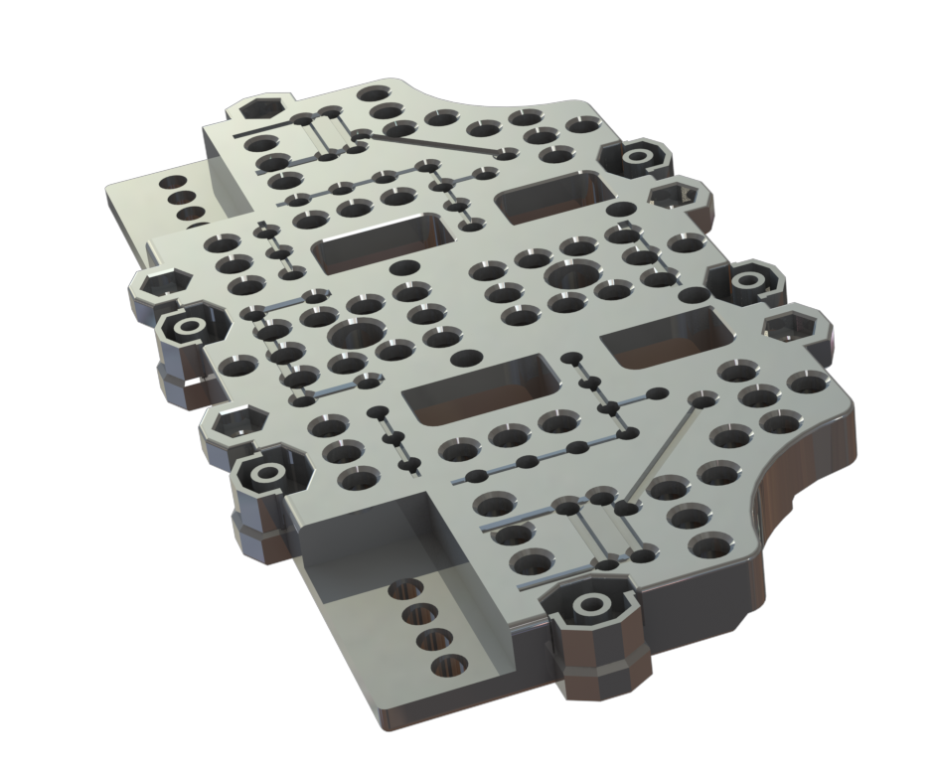 | N/A | STL Part
Waffle Rear Base Plate | 1 | 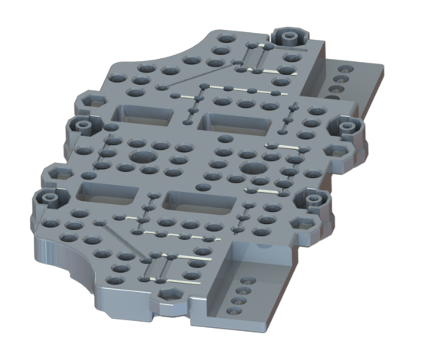 | N/A | STL Part
Waffle Rear Plate | 2 | 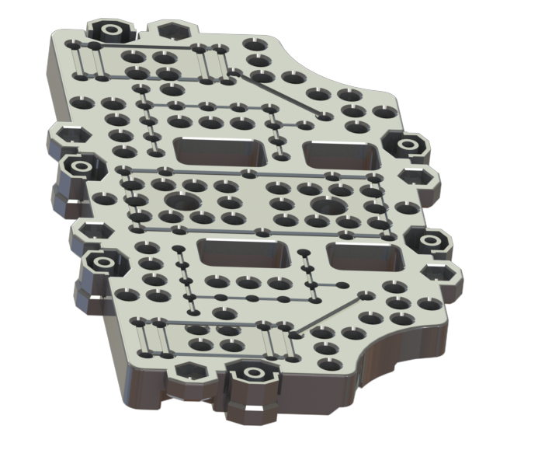 | N/A | STL Part
Waffle Front Plate | 2 | 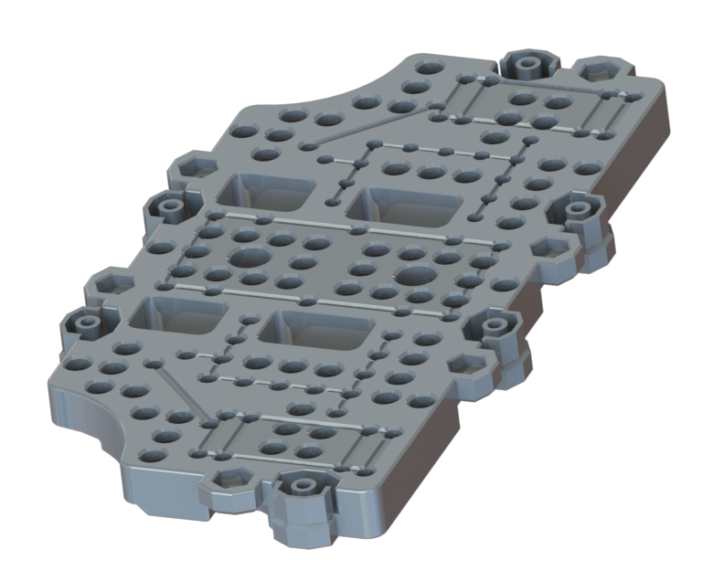 | N/A | STL Part
Board Bracket Small | 4 | 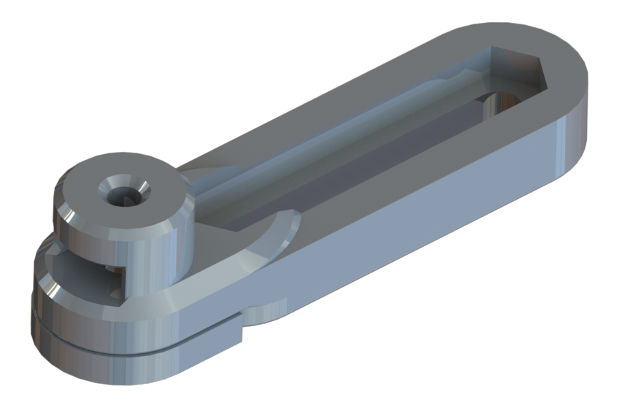 | N/A | STL Part
Board Bracket | 4 |  | N/A | STL Part

